OFFER
BRAND | IMAGE | MODEL | COLOUR | GENDER | CATEGORY | QTY | WH | WH TOT | RRP € | RRP TOT € | 36 | 37 | 38 | 39 | 40 | 41 | 42 | 43 | 44 | 45 | 46 | 47
MISSONI | 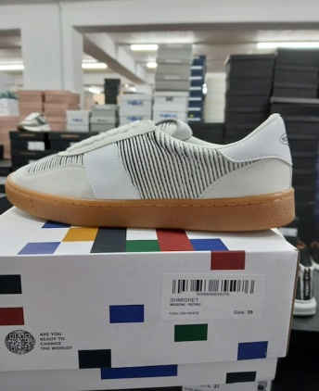 | SHMISRET | WHITE | UNISEX | SCARPA | 159 | 110.00 € | 17,490.00 € | 275.00 € | 43,725.00 € | 6 | 20 | 25 | 20 | 13 | 19 | 1 | 16 | 1 | 19 | 19 | 0
MISSONI | 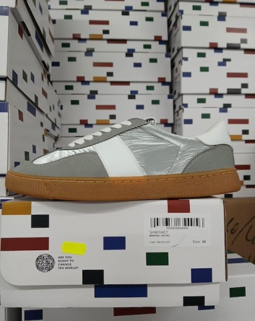 | SHMISRET | SILVER | UNISEX | SCARPA | 74 | 110.00 € | 8,140.00 € | 275.00 € | 20,350.00 € | 4 | 14 | 2 | 11 | 13 | 13 | 0 | 0 | 0 | 10 | 7 | 0
MISSONI | 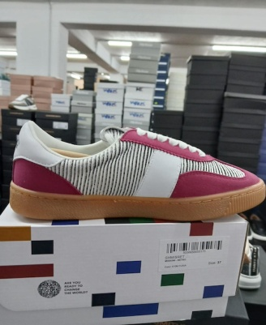 | SHMISRET | FUXIA | UNISEX | SCARPA | 43 | 110.00 € | 4,730.00 € | 275.00 € | 11,825.00 € | 0 | 0 | 1 | 0 | 0 | 2 | 17 | 18 | 1 | 2 | 2
MISSONI | 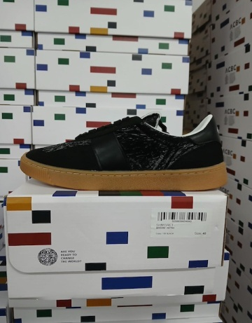 | SHMISRET | BLACK | UNISEX | SCARPA | 67 | 110.00 € | 7,370.00 € | 275.00 € | 18,425.00 € | 1 | 1 | 7 | 1 | 11 | 12 | 0 | 0 | 2 | 10 | 22
MISSONI | 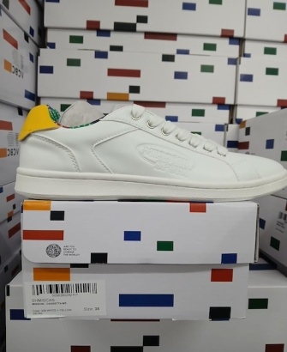 | SHMISCAS | YELLOW | UNISEX | SCARPA | 8 | 94.00 € | 752.00 € | 235.00 € | 1,880.00 € | 0 | 0 | 1 | 0 | 0 | 0 | 0 | 0 | 0 | 0 | 4 | 3
MISSONI | 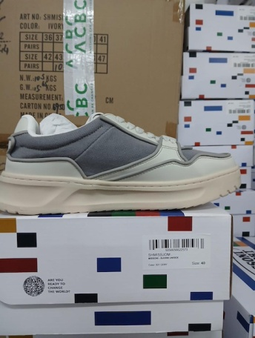 | SHMISBJOM | GREY | UOMO | SCARPA | 12 | 158.00 € | 1,896.00 € | 395.00 € | 4,740.00 € | 0 | 0 | 0 | 0 | 0 | 8 | 0 | 0 | 0 | 1 |  | 3
MISSONI | 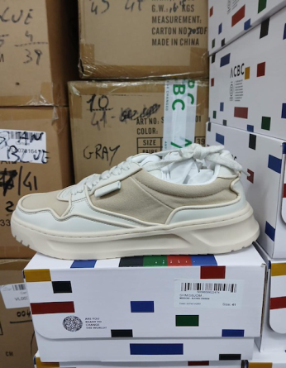 | SHMISBJOM | IVORY | UOMO | SCARPA | 8 | 158.00 € | 1,264.00 € | 395.00 € | 3,160.00 € | 0 | 0 | 0 | 0 | 0 | 0 | 1 | 0 | 0 | 6 | 0 | 1
MISSONI | 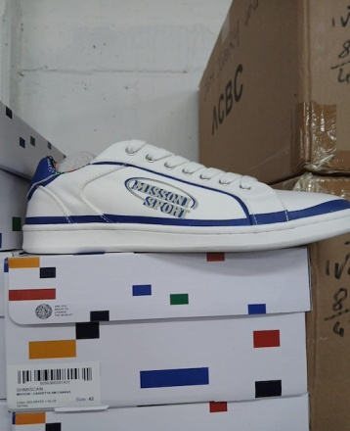 | SHMISCAN | BLUE | UNISEX | SCARPA | 13 | 94.00 € | 1,222.00 € | 235.00 € | 3,055.00 € | 2 | 0 | 5 | 3 | 0 | 0 | 1 | 0 | 0 | 1 | 0 | 1
MISSONI | 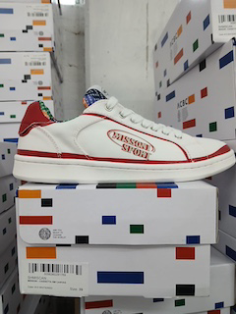 | SHMISCAN | RED | UNISEX | SCARPA | 9 | 94.00 € | 846.00 € | 235.00 € | 2,115.00 € | 1 | 0 | 0 | 1 | 0 | 0 | 0 | 0 | 0 | 0 | 2 | 5
MISSONI |  | SHMISCAN | YELLOW | UNISEX | SCARPA | 8 | 94.00 € | 752.00 € | 235.00 € | 1,880.00 € | 0 | 0 | 1 | 2 | 1 | 0 | 1 | 0 | 0 | 0 | 0 | 3
MISSONI | 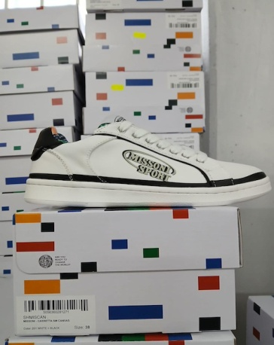 | SHMISCAN | BLACK | UNISEX | SCARPA | 47 | 94.00 € | 4,418.00 € | 235.00 € | 11,045.00 € | 4 | 3 | 14 | 12 | 0 | 0 | 0 | 0 | 0 | 0 | 8 | 6
MISSONI | 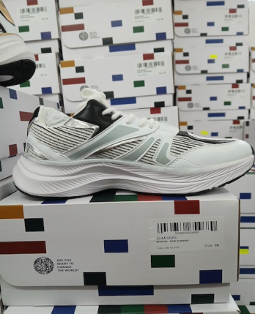 | SHMISNRU | SILVER | UNISEX | SCARPA | 24 | 143.60 € | 3,446.40 € | 359.00 € | 8,616.00 € | 2 | 5 | 6 | 0 | 11 | 0 | 0 | 0 | 0 | 0 | 0
MISSONI |  | SHISNRU | GOLD | UNISEX | SCARPA | 134 | 143.60 € | 19,242.40 € | 359.00 € | 48,106.00 € | 3 | 11 | 9 | 12 | 5 | 25 | 14 | 12 | 12 | 12 | 18 | 1
MISSONI |  | SHIMISCAS | BLACK | UNISEX | SCARPA | 41 | 94.00 € | 3,854.00 € | 235.00 € | 181,742.00 € | 5 | 5 | 4 | 6 | 4 | 5 | 3 | 0 | 1 | 3 | 0 | 5
MISSONI |  | SHIMISCAS | BLUE | UNISEX | SCARPA | 3 | 94.00 € | 282.00 € | 235.00 € | 319,759.00 € | 0 | 0 | 0 | 0 | 0 | 0 | 0 | 0 | 0 | 1 | 1 | 1
MISSONI |  | SHIMISCAN | GREEN | UNISEX | SCARPA | 2 | 94.00 € | 188.00 € | 235.00 € | 619,168.00 € | 0 | 0 | 0 | 0 | 0 | 0 | 0 | 0 | 0 | 2 | 0 | 0
MISSONI |  | SHIMISCAS | GREEN | UNISEX | SCARPA | 12 | 94.00 € | 1,128.00 € | 235.00 € | 1,226,511.00 € | 0 | 0 | 0 | 2 | 0 | 0 | 0 | 0 | 0 | 9 | 0 | 1
 |  |  |  |  |  | 676

